Introduction
Calculators for Presentation Visuals

Each of the tabs in this worksheet contains a calculator I have created in order to make the creation of a specific data based presentation visual easier.
On each tab, you will see an introduction, links to examples of the visual on my website, instructions on using the calculator, and tips on taking the output of the calculator and using it to create the visual in Excel or PowerPoint.
Click here to watch videos on how to use each calculator.

 | Waterfall Graph | Proportional Object Collection
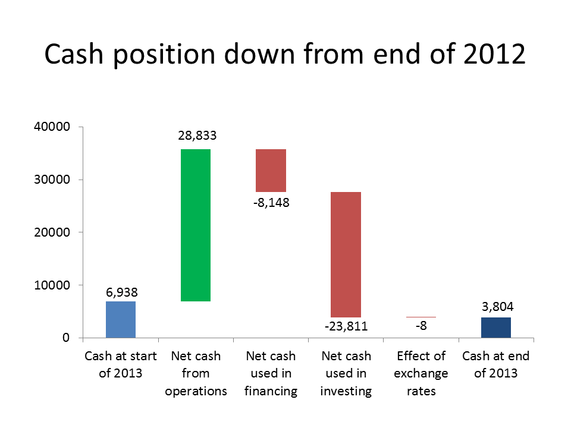
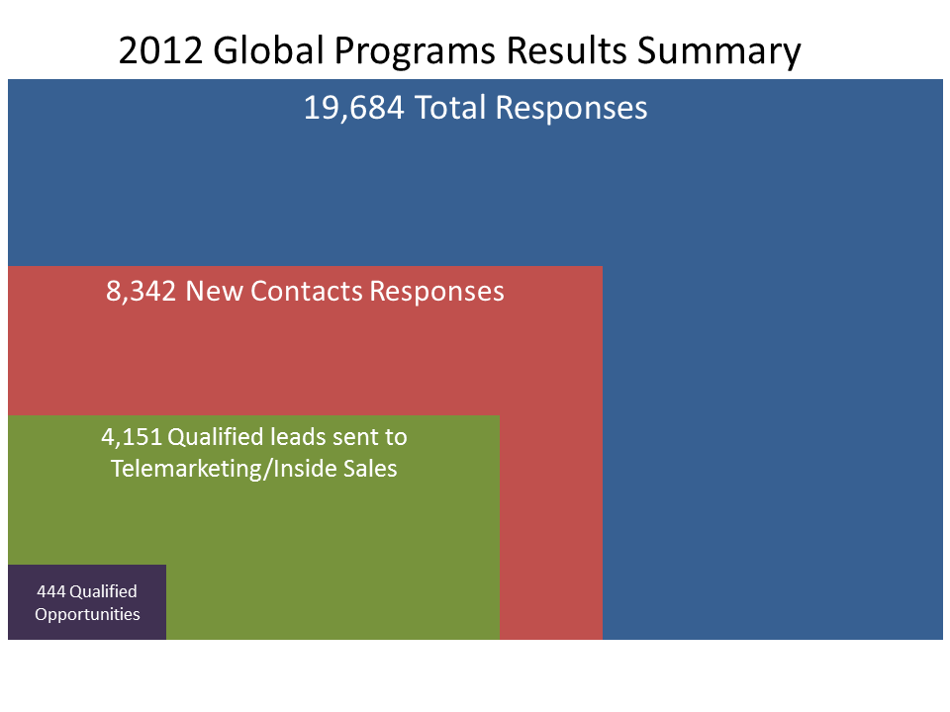

 | Diverging Stacked Bar Chart | Simple Treemap
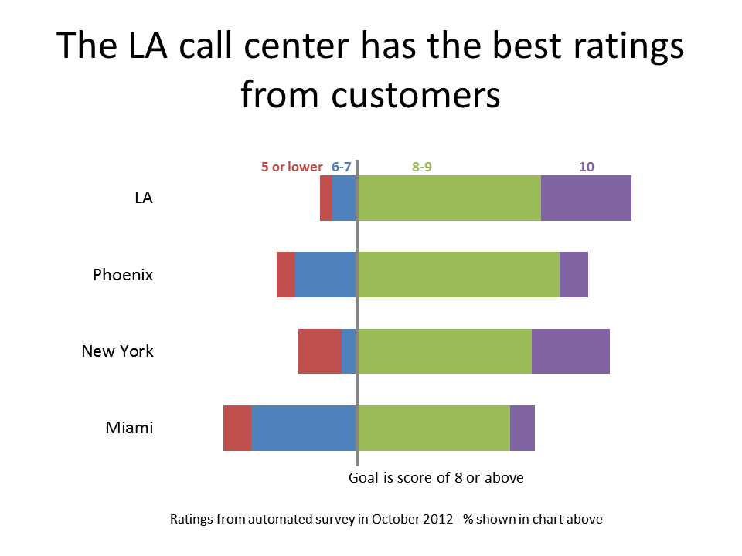
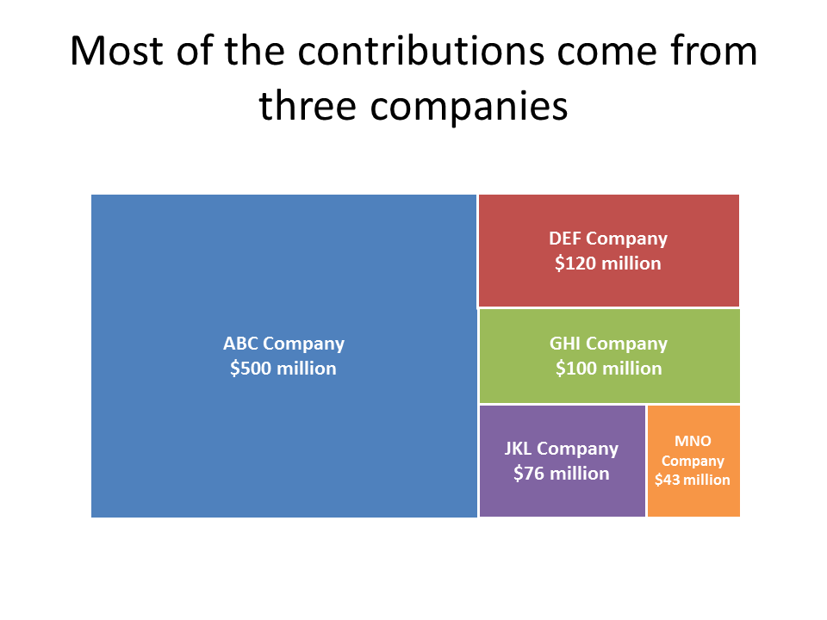

 | Stacked Bar Chart Breakdown | Small multiples
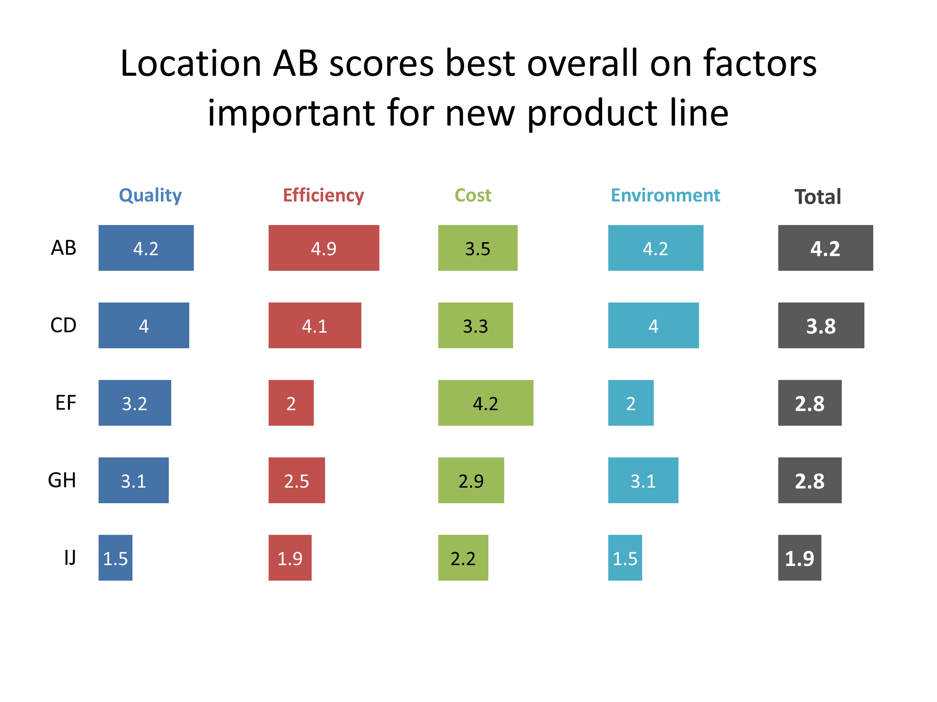
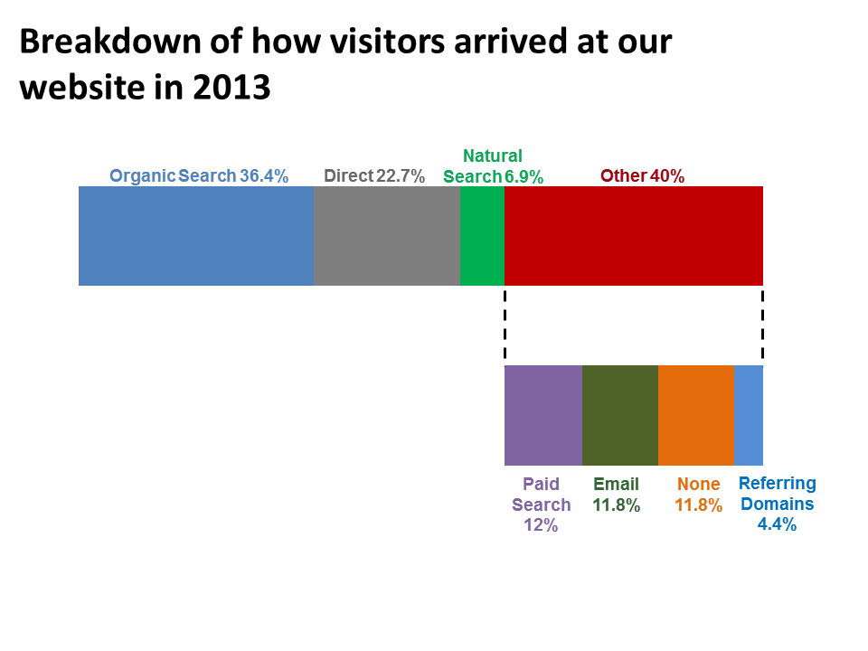

 | Funnel
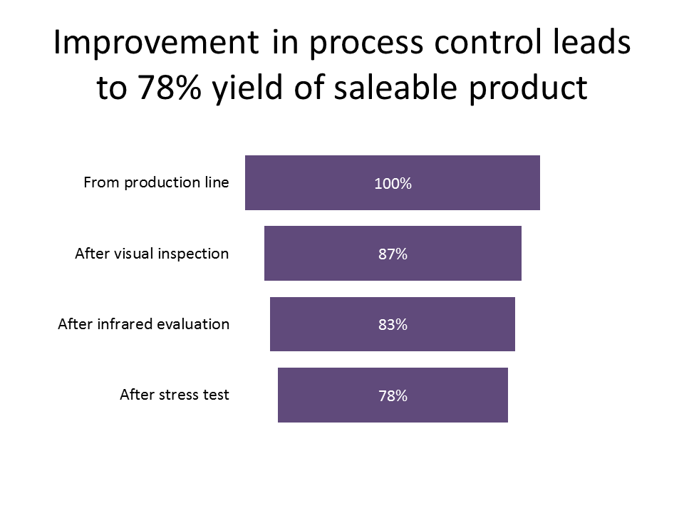

My lawyer tells me that I have to inform you that I am not responsible for any errors in the calculations or for misuse of the results.
All of the calculators are copyrighted by Dave Paradi and cannot be distributed without permission.

Small multiples
Calculator for small multiples column/bar graphs

Learn more about this visual at http://www.thinkoutsidetheslide.com/small-multiples-calculator/

Instructions
In the Input table, enter the category labels in the first column
Enter the values for each graph in columns B through G (up to 6 graphs) (enter zero if needed so there is a value for each category)
Enter the maximum axis value for each graph in B33 to G33 (An error will show if the maximum is not greater than the highest value for that graph)
Enter the space between the graphs in B36 (the same spacing is used between all graphs)
Copy the values from the Results Data Table to create a stacked column graph or bar chart
See formatting notes in the Sample Graphs section below

Inputs

Category labels | Bottom/left graph | Second graph | Third graph | Fourth graph | Fifth graph | Sixth graph

Axis maximum |  |  |  |  |  |  | (must set axis max to have graph calculated)

Space between |  | (same value is used between all graphs)

Results Data Table for stacked column/bar graph
 | Segment 1 | Spacer 1 | Segment 2 | Spacer 2 | Segment 3 | Spacer 3 | Segment 4 | Spacer 4 | Segment 5 | Spacer 5 | Segment 6

Sample graphs
You can copy the sample graphs below into PowerPoint instead of creating the graph in PowerPoint.
Adjust the data used to create the graph to match the columns and rows in the data table for your data

To create the sample graphs below, we copied the values from the Data table above to here:
 | Segment 1 | Spacer 1 | Segment 2 | Spacer 2 | Segment 3 | Spacer 3 | Segment 4 | Spacer 4 | Segment 5
BR | 4.2 | 3.3 | 4.9 | 2.6 | 3.5 | 4 | 4.2 | 3.3 | 4.2
COR | 4 | 3.5 | 4.1 | 3.4 | 3.3 | 4.2 | 4 | 3.5 | 3.8
CA | 3.2 | 4.3 | 2 | 5.5 | 4.2 | 3.3 | 2 | 5.5 | 2.8
VIT | 3.1 | 4.4 | 2.5 | 5 | 2.9 | 4.6 | 3.1 | 4.4 | 2.8
AMCC | 1.5 | 6 | 1.9 | 5.6 | 2.2 | 5.3 | 1.5 | 6 | 1.9

Then we created the graphs by selecting the appropriate data ranges.
Each of the Spacer segments is set to No Fill and No Line
Data labels for the values were added to the segments that are shown
The baselines on the graphs are gridlines spaced at (axis maximum) + (spacing) because each graph is the same size
If the graphs are not the same size, the baselines must be added manually (hold Shift to draw a straight line)
Add text box labels to add extra explanatory text

Small multiples bar chart

Small multiples column graph

